GSEA
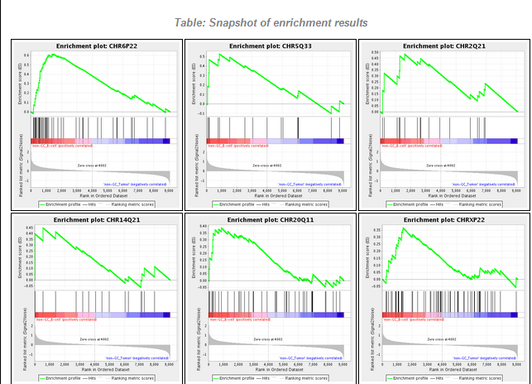
http://wiki.c2b2.columbia.edu/workbench/images/c/cc/GSEA_Enrichment_Results_Snapshot.png

1-Enrichment_Calc
Enrichment Score (A)
Enrichment Score (B)
 |  |  |  |  |  |  |  |  | Sum
 |  |  |  |  |  |  |  |  | A | 5
 |  |  |  |  |  |  |  |  | B | 7
 |  |  |  |  |  |  |  |  | C | 7 | Is this A? | Running Sum | Is this B? | Running Sum
Control |  |  | Treatment |  |  | log2FC | Pvalue | Rank Metric |  | Term | 0 | 0 | 0 | 0
1 | 1 | 0 | 5 | 5 | 6 | 3.00 | 0.0099 | 6.0128 | Gene 1 | A | 1 | 1 | 0 | -0.5
1 | 2 | 1 | 4 | 3 | 3 | 1.32 | 0.0371 | 1.8913 | Gene 2 | A | 1 | 2 | 0 | -1
1 | 1 | 1 | 1 | 2 | 1 | 0.42 | 0.2113 | 0.2802 | Gene 3 | A | 1 | 3 | 0 | -1.5
2 | 1 | 2 | 1 | 2 | 1 | -0.32 | 0.3333 | -0.1536 | Gene 4 | B | 0 | 2.5 | 1 | -0.5
2 | 1 | 2 | 1 | 2 | 1 | -0.32 | 0.3333 | -0.1536 | Gene 5 | A | 1 | 3.5 | 0 | -1
2 | 1 | 2 | 1 | 2 | 1 | -0.32 | 0.3333 | -0.1536 | Gene 6 | C | 0 | 3 | 0 | -1.5
1 | 2 | 2 | 1 | 2 | 1 | -0.32 | 0.2113 | -0.2173 | Gene 7 | A | 1 | 4 | 0 | -2
2 | 2 | 2 | 1 | 2 | 1 | -0.58 | 0.0918 | -0.6068 | Gene 8 | B | 0 | 3.5 | 1 | -1
3 | 3 | 2 | 1 | 2 | 1 | -1.00 | 0.0286 | -1.5437 | Gene 9 | C | 0 | 3 | 0 | -1.5
3 | 3 | 2 | 1 | 2 | 1 | -1.00 | 0.0286 | -1.5437 | Gene 10 | B | 0 | 2.5 | 1 | -0.5
3 | 3 | 2 | 1 | 2 | 1 | -1.00 | 0.0286 | -1.5437 | Gene 11 | B | 0 | 2 | 1 | 0.5
3 | 3 | 2 | 1 | 2 | 1 | -1.00 | 0.0286 | -1.5437 | Gene 12 | C | 0 | 1.5 | 0 | 0
3 | 3 | 2 | 1 | 2 | 1 | -1.00 | 0.0286 | -1.5437 | Gene 13 | B | 0 | 1 | 1 | 1
5 | 4 | 5 | 1 | 2 | 1 | -1.81 | 0.0189 | -3.1161 | Gene 14 | B | 0 | 0.5 | 1 | 2
5 | 4 | 5 | 1 | 2 | 1 | -1.81 | 0.0189 | -3.1161 | Gene 15 | C | 0 | 0 | 0 | 1.5
5 | 4 | 5 | 1 | 2 | 1 | -1.81 | 0.0189 | -3.1161 | Gene 16 | B | 0 | -0.5 | 1 | 2.5
5 | 4 | 5 | 1 | 2 | 1 | -1.81 | 0.0189 | -3.1161 | Gene 17 | C | 0 | -1 | 0 | 2
5 | 4 | 5 | 1 | 2 | 1 | -1.81 | 0.0189 | -3.1161 | Gene 18 | C | 0 | -1.5 | 0 | 1.5
5 | 4 | 5 | 1 | 2 | 1 | -1.81 | 0.0189 | -3.1161 | Gene 19 | C | 0 | -2 | 0 | 1
 |  |  |  |  |  |  |  |  |  |  |  |  | 0

2-KS_Simulation
 | Culmulative Freq |  |  |  |  |  |  | Calculator | https://www.statskingdom.com/kolmogorov-smirnov-test-calculator.html
NO | A | B | C | NO | A - No | B - No | C - No | KS Score | P Value
1 | 0 | 1 | 1 | 1 | 0 | 1 | 1 | A | Results of the kolmogorov test indicated that there is a significant difference from the normal distribution , (D(20) = .45, p = .000404).
2 | 2 | 2 | 2 | 2 | 1 | 1 | 1 | B | Results of the kolmogorov test indicated that there is a non significant difference from the normal distribution , (D(20) = .17, p = .568).
3 | 3 | 3 | 3 | 3 | 1 | 1 | 1 | C | Results of the kolmogorov test indicated that there is a significant difference from the normal distribution , (D(20) = .37, p = .00599).
4 | 4 | 5 | 3 | 4 | 1 | 2 | 0
5 | 6 | 6 | 7 | 5 | 2 | 2 | 3
6 | 6 | 9 | 6 | 6 | 1 | 4 | 1
7 | 7 | 12 | 7 | 7 | 1 | 6 | 1
8 | 8 | 13 | 8 | 8 | 1 | 6 | 1
9 | 9 | 12 | 9 | 9 | 1 | 4 | 1
10 | 10 | 11 | 10 | 10 | 1 | 2 | 1
11 | 11 | 11 | 11 | 11 | 1 | 1 | 1
12 | 12 | 12 | 12 | 12 | 1 | 1 | 1
13 | 13 | 13 | 14 | 13 | 1 | 1 | 2
14 | 14 | 14 | 13 | 14 | 1 | 1 | 0
15 | 15 | 15 | 14 | 15 | 1 | 1 | 0
16 | 16 | 16 | 16 | 16 | 1 | 1 | 1
17 | 17 | 17 | 17 | 17 | 1 | 1 | 1
18 | 18 | 18 | 17 | 18 | 1 | 1 | 0
19 | 19 | 19 | 19 | 19 | 1 | 1 | 1
20 | 20 | 20 | 20 | 20 | 1 | 1 | 1

